QUESTIONS
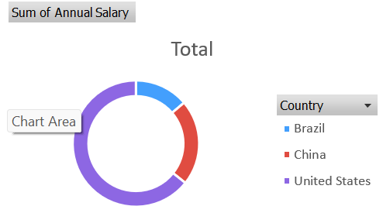
Remember to use the formulas and techniques we covered in class to answer these questions. Part A (Total: 30 Points) Complete all of the following questions:
Annual Salary Bonus Calculation (10 Points) Determine the 'Bonus' for each employee based on their annual salary. Use the 'Annual Salary Scale' for reference. Tip: Use the VLOOKUP function.
Salary Raise Assessment (10 Points) In the "Raised" column, identify whether employees are eligible for a salary raise. If their "Annual Salary" exceeds $100,000, label it as "RAISE". If not, label it as "NO RAISE".
Highlight High Earners (5 Points) In the "Employee Data" Sheet, highlight those employees who earn more than the average annual salary. Make these entries stand out by using a green background with dark green text.
Continent Dropdown (5 Points) Add a new column named "CONTINENTS" immediately after the "COUNTRY" column. This column should have a dropdown list for each cell with the following options: Africa, Antarctica, Asia, Australia, Europe, North America, and South America.
Part B (10 Points) Choose ONE of the following tasks and complete it on a new sheet named "PIVOT TABLE". Screenshots are provided for reference:
Department and Gender Salary Pivot Table Construct a pivot table that showcases the salary distribution by both department and gender.

Country Salary Doughnut Chart Create a doughnut pie chart that represents the salaries in relation to different countries.

